ARIETE By De'Longhi
ARIETE By DE'LONGHI
PHOTO | REF | EX WORKS | DESCR | QTY | RETAIL | TOTAL | EAN | EAN | PLUG | HERTZ | MASTER BOX QTY | UNIT PER PALETTE | BOX WEIGHT | MASTER BOX WEIGHT | DIM | DIM2 | 20GP | 40GP | 40HQ
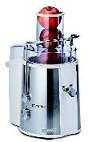 | 00C017330AR0 | SHENZEN | 0173 CEN ARIETE INT | 87 | 98.60 € | 8,578.20 € | 8003705106581 | https://www.fnac.com/mp30511805/Ariete-Centrika-Metal-Mod-173-Centrifugeuse-750-Watt-metal/w-4 | PLUG EU 2PINS | 50/60 | 2 | 32 | 4.45 | 9.87 | 34,5x24,5x44,5 | 51x36x47 | 694 | 1472 | 1516
 | 00C056814ARID | SHENZEN | 0568/1 FRU ARIETE CREAM/GR ID | 176 | 110.00 € | 19,360.00 € | 8003705118928 | https://www.e.leclerc/fp/ariete-568-2-blender-1-liter-vert-classe-energetique-a-8003705115712?srsltid=AfmBOoqxgGuLq-6qFH2RsmnhNy1_IhtAneP8hLzE29fb1K2LTmkT4PbX | PLUG EU 2PINS | 50-60 | 6 | 144 | 2.27 | 14.24 | 21x15x29,5 | 44x47x31,5 | 2760 | 5040 | 5760
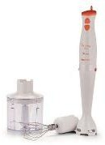 | 00c088500arEG | SHENZEN | 0885 MIX ARIETE W/ATTACH.WHOR EG | 668 | 26.90 € | 17,969.20 € | 8003705113558 |  | PLUG EU 2PINS | 50-60 | 6 | 216 | 1.23 | 7.90 | 12x22x23,5 | 38x46x25,5 | 4200 | 8400 | 9504
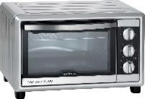 | 00C098511AR0 | SHENZEN | 0985 SFO ARIETE 30L SILVER INT | 42 | 99.50 € | 4,179.00 € | 8003705114395 | https://www.fnac.com/mp32106896/Ariete-Bon-Cuisine-300-Mod-985-Four-electrique-30-litres-1-5-kWatt/w-4 | PLUG SCHUKO | 50/60 | 1 | 16 | 10.15 | 10.15 | 56x42x37,5 | 56x42x37,5 | 312 | 668 | 778
 | 00C182900arEG | SHENZEN | 1829 ROB ARIETE WHGY EG | 326 | 79.00 € | 25,754.00 € | 8003705114395 |  | PLUG EU 2PINS | 50/60 | 1 | 16 | 10.15 | 10.15 | 56x42x37,5 | 56x42x37,5 | 312 | 668 | 778
 | 00C191610arid | SHENZEN | 1916 CG ARIETE 3IN1 BK ID | 630 | 85.00 € | 53,550.00 € | 8003705115309 | https://www.e.leclerc/fp/plancha-grill-electrique-3en1-2400w-60x25cm-1916-ariete-8003705115309?srsltid=AfmBOoqMoG7ND0-ZTbT22Grmm_w2LulA9h1QwNxfHgR3ErQ6vHlZYNPZ | PLUG SCHUKO | 50/60 | 2 | 40 | 4.06 | 9.12 | 47x22x34 | 48x46x36,5 | 732 | 1490 | 1686
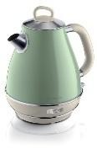 | 00C286904AR0 | SHENZEN | 2869 BOL ARIETE KETTLE 1,7L CREAM/GR INT | 282 | 89.50 € | 25,239.00 € | 8003705115170 | https://www.fnac.com/ARIETE-BOUILLOIRE-ELECTRIQUE-VINTAGE-LINE-VERT/a15211190/w-4 | PLUG SCHUKO | 50/60 | 6 | 102 | 1.67 | 10.86 | 21x22x26 | 63x23x53,5 | 2160 | 4560 | 5424
 | 00C287805AR0 | SHENZEN | 2878 CAF ARIETE MILK FOAMER CREAM/BL INT | 184 | 67.90 € | 12,493.60 € | 8003705113978 | https://www.but.fr/produits/8003705113978/Mousseur-a-Lait-Vintage-Celeste-Bleu-2878.html | PLUG SCHUKO | 50/60 | 8 | 288 | 1.13 | 9.62 | 14x11x23 | 31x24,5x50 | 5976 | 12312 | 13320
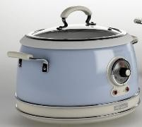 | 00C290405ARID | SHENZEN | 2904 CR ARIETE CREAM/BG ID | 92 | 90.00 € | 8,280.00 € | 8003705113978 | https://www.fnac.com/Cuiseur-a-riz-Ariete-2904-1-700-W-Beige/a15831282/w-4 | PLUG SCHUKO | 50-60 | 8 | 288 | 1.13 | 9.62 | 14x11x23 | 31x24,5x50 | 5976 | 12312 | 13320
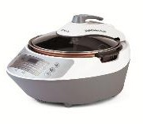 | 00c294500ar0 | SHENZEN | 2945 CR ARIETE MULTI COOKER WH INT | 140 | 180.00 € | 25,200.00 € | 8003705114548 | https://www.fnac.com/mp30837779/Ariete-2945-Twist-multicuiseur/w-4 | PLUG SCHUKO | 50/60 | 1 | 20 | 6.50 | 7.73 | 51,5x40,5x31,5 | 52x41,5x32,5 | 427 | 850 | 980
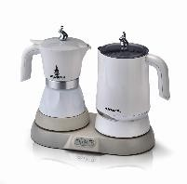 | 00m134400ar0 | SHENZEN | 1344 CAF ARIETE MOKA+MILK FOAMER WH INT | 168 | 121.00 € | 20,328.00 € | 8003705114838 | https://www.e.leclerc/fp/station-petit-dejeuner-3en1-500w-blanc-1344-ariete-8003705114838?srsltid=AfmBOopNvnwQ-xFKT6yRmALIldhCbFBEpeY0LLgqAH97I0PpcMclmBPy | PLUG SCHUKO | 50/60 | 2 | 60 | 2.78 | 6.20 | 31x21,5x26 | 46x32,5x28,5 | 1352 | 2754 | 3054
 | 00m301600arID | SHENZEN | 3016 GRI ARIETE BKMETAL ID | 1,248 | 32.90 € | 41,059.20 € | 8003705115118 | https://business.currys.co.uk/catalogue/domestic-appliances/small-kitchen-appliances/coffee-machines/ariete-3016-00-pro-grind-spice-coffee-grinder-black-silver/S382379B | PLUG EU 2PINS | 50 | 4 | 300 | 0.85 | 3.67 | 11x11x21 | 23,5x23,5x23,5 | 6800 | 9840 | 15000
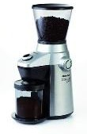 | 00m301700ar0 | SHENZEN | 3017 GRI ARIETE BKMETAL ID | 17 | 120.00 € | 2,040.00 € | 8003705115118 | https://www.amazon.fr/Ariete-3017-%C3%89lectrique-Plastique-kilograms/dp/B07BQ23DZB | PLUG EU 2PINS | 50-60 | 4 | 300 | 0.85 | 3.67 | 11x11x21 | 23,5x23,5x23,5 | 6800 | 9840 | 15000
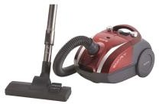 | 00P278412AR0 | SHENZEN | 2784 ASPD ARIETE GYRD W003R BAGGED SA * | 547 | 78.50 € | 42,939.50 € | 8003705115118 | https://www.idealo.fr/prix/4866258/ariete-smart-2735.html | PLUG EU 2PINS | 50/60 | 4 | 300 | 0.85 | 3.67 | 11x11x21 | 23,5x23,5x23,5 | 6800 | 9840 | 15000
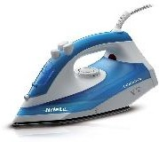 | 00S623400AR0 | SHENZEN | 6234 FSV ARIETE TEFLON WHBL INT | 198 | 23.55 € | 4,662.90 € | 8003705114258 | https://www.fnac.com/mp32106886/Ariete-Steam-Iron-2000W-mod-6234-Fer-a-vapeur-semelle-Teflon-2000-Watt/w-4 | PLUG SCHUKO | 50/60 | 6 | 216 | 1.09 | 7.10 | 31x13x15 | 33x40,5x32 | 4602 | 9204 | 10380
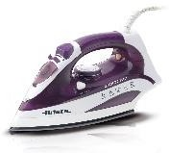 | 00S623500AR0 | SHENZEN | 6235 FSV ARIETE CERAMIC WHPURPLE INT | 804 | 28.60 € | 22,994.40 € | 8003705114265 | https://www.fnac.com/mp32106888/Ariete-6235-Fer-a-vapeur-semelle-ceramique-2000-Watt/w-4 | PLUG SCHUKO | 50/60 | 6 | 216 | 1.11 | 7.23 | 31x13x15 | 33x40,5x32 | 4602 | 9204 | 10380
 | 00B080804ARSA | SHENZEN | 0808 ARIETE FAN HEATER CREAM/GR SA | 119 | 60.80 € | 7,235.20 € | 8003705119147 | https://www.fnac.com/mp47855306/Radiateur-Electrique-Ariete-808-04-2000W-Fonction-Chaude-et-Froide-Thermostat-Reglable-Plaque-Tournante-Vert/w-4 | PLUG UK | 50-60 | 6 | 72 | 2.11 | 13.51 | 36x18x30 | 55x37x62,5 | 1308 | 2700 | 3210
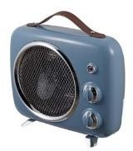 | 00B080805ARSA | SHENZEN | 0808 ARIETE FAN HEATER CREAM/BL SA | 120 | 55.20 € | 6,624.00 € | 8003705119130 | https://www.fnac.com/mp47874116/Chauffage-Soufflant-Ariete-808-05-Blue-2000W-Froide-et-Chaud-Thermostat-Reglable-Bleu/w-4 | PLUG UK | 50-60 | 6 | 72 | 2.11 | 13.51 | 36x18x30 | 55x37x62,5 | 1308 | 2700 | 3210
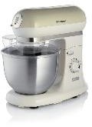 | 00C158803ARSA | SHENZEN | 1588 KM ARIETE CREAM/BG SA | 14 | 133.20 € | 1,864.80 € | 8003705115996 | https://www.e.leclerc/fp/robot-patissier-ariete-1588beige-8003705115996?srsltid=AfmBOorjv56d1p7BXxDTF_mol_Xu5IwOYUf6x3U5a3Y40xWOmHaua-cE | PLUG UK | 50/60 | 1 | 24 | 7.58 | 8.24 | 47x27x43 | 48x27,5x44 | 476 | 956 | 1132
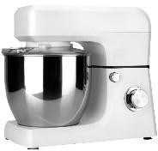 | 00C159800ARSA | SHENZEN | 1598 KM ARIETE WH SA | 66 | 120.00 € | 7,920.00 € | 8003705118799 | https://www.ariete.store/product/ariete-planetaria-impastatrice-multifunzione-gourmet-professional-bianco?srsltid=AfmBOorUz8edQBLChGCKD-vd1nhUecQVSKow7VGNa7psXjOaNPNGrJom | PLUG UK | 50/60 | 2 | 32 | 6.54 | 14.02 | 43,5x25,5x38 | 53x45x40,5 | 612 | 1262 | 1480
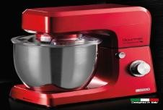 | 00C159801ARSA | SHENZEN | 1598 KM ARIETE RD SA | 52 | 101.00 € | 5,252.00 € | 8003705118805 | https://www.ariete.store/product/ariete-planetaria-impastatrice-multifunzione-gourmet-professional-rosso?srsltid=AfmBOooTdniFMDOuSy9P5xogM-wm5rXJSV4XfIgUanVrltcjJKGBsxuB | PLUG UK | 50/60 | 2 | 32 | 6.54 | 14.02 | 43,5x25,5x38 | 53x45x40,5 | 612 | 1262 | 1480
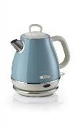 | 00C286805ARAS | SHENZEN | 2868 BOL ARIETE KETTLE 1L CREAM/BL SA | 572 | 52.60 € | 30,087.20 € | 8003705116542 | https://www.e.leclerc/fp/bouilloire-ariete-2868bleu-8003705116542?srsltid=AfmBOooVKY4LBi_Ctc9VBMYtrFm_-jFTIRaLjLeN8kcNJxHjMks0D6ty | PLUG UK | 50-60 | 8 | 192 | 1.11 | 9.45 | 19x16,5x22,5 | 39,5x34x46,5 | 3752 | 8000 | 9200
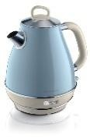 | 00C286905ARAS | SHENZEN | 2869 BOL ARIETE KETTLE 1,7L CREAM/BL SA | 464 | 93.65 € | 43,453.60 € | 8003705115187 | https://www.fnac.com/ARIETE-VINTAGE-BOUILLOIRE-BLEUE/a15269670/w-4 | PLUG UK | 50/60 | 6 | 102 | 1.67 | 10.86 | 21x22x26 | 63x23x53,5 | 2160 | 4560 | 5424
 | 00C287804ARSA | SHENZEN | 2878 CAF ARIETE MILK FOAMER CREAM/GR SA | 1,278 | 57.92 € | 74,021.76 € | 8003705113961 | https://www.e.leclerc/fp/ariete-vintage-mousseur-a-lait-vert-8003705113961?srsltid=AfmBOoq-piHkjB5oYMrjBAnZhieo7Elre53LhBonMq2bn7tqop4DO1wW | PLUG UK | 50/60 | 8 | 288 | 1.13 | 9.62 | 14x11x23 | 31x24,5x50 | 5976 | 12312 | 13320
 | 00C287805ARAS | SHENZEN | 2878 CAF ARIETE MILK FOAMER CREAM/BL SA | 143 | 70.37 € | 10,062.91 € | 8003705113978 | https://www.fnac.com/ARIETE-2878-BLUE/a16582151/w-4 | PLUG UK | 50/60 | 8 | 288 | 1.13 | 9.62 | 14x11x23 | 31x24,5x50 | 5976 | 12312 | 13320
 | 00C287805ARSA | SHENZEN | 2878 CAF ARIETE MILK FOAMER CREAM/BL SA | 746 | 70.37 € | 52,496.02 € | 8003705113978 | https://www.fnac.com/ARIETE-2878-BLUE/a16582151/w-4 | PLUG UK | 50/60 | 8 | 288 | 1.13 | 9.62 | 14x11x23 | 31x24,5x50 | 5976 | 12312 | 13320
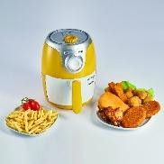 | 00C461500ARSA | SHENZEN | *4615 FRM ARIETE AIRFRYER WHYESILVERINT* | 211 | 49.50 € | 10,444.50 € | 8003705113978 | https://www.amazon.fr/Ariete-Friteuse-frites-litres-plastique/dp/B07C7YZSRR?th=1 | PLUG UK | 50/60 | 8 | 288 | 1.13 | 9.62 | 14x11x23 | 31x24,5x50 | 5976 | 12312 | 13320
 | 00M134204ARAS | SHENZEN | 1342 CAF ARIETE DRIP DGT CREAM/GR SA | 516 | 87.21 € | 45,000.36 € | 8003705114142 | https://www.fnac.com/mp30837747/Ariete-1342-Vintage-Cafetiere-12-tasses-vert/w-4 | PLUG UK | 50/60 | 1 | 44 | 4.08 | 4.08 | 24,5x31,5x39,5 | 24,5x31,5x39,5 | 932 | 1930 | 2034
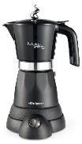 | 00M136801ARAS | SHENZEN | 1368 CAF ARIETE 6 CUPS BK SA | 544 | 58.62 € | 31,889.28 € | 8003705117358 | https://www.e.leclerc/fp/machine-a-cafe-expresso-ariete-moka-1368-moka-aroma-480-watts-noir-8003705117358?srsltid=AfmBOorj0f_VbYlNlqFav4PdbiYosScunySPy1oN6GeNpmSN7n35-OrR | PLUG UK | 50-60 | 8 | 192 | 1.35 | 11.49 | 19x13,5x28,5 | 59,5x28,5x40 | 3720 | 7440 | 8320
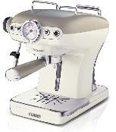 | 00M138913ARAS | SHENZEN | 1389A CAF ARIETE POWDER/POD CREAM/BG SA | 80 | 148.90 € | 11,912.00 € | 8003705113923 | https://www.fnac.com/Expresso-Vintage-Ariete-1389-Beige/a12690106/w-4 | PLUG UK | 50 | 1 | 40 | 5.02 | 5.02 | 33x28x35,5 | 33x28x35,5 | 884 | 1820 | 2030
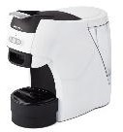 | 00M130100ARSA | DUBAÏ | 1301 CAF ARIETE POWDER/POD WHBK SA | 2,310 | 192.00 € | 443,520.00 € | 8003705116023 | https://www.fnac.com/mp38236929/Ariete-1301-Machine-A-Cafe-Espresso-Dosette-Ese-1100-W-15-Bars-Blanc/w-4 | PLUG UK | 60 | 1 | 60 | 5.10 | 5.10 | 18,5x37x35 | 18,5x37x35 | 1116 | 2316 | 2702
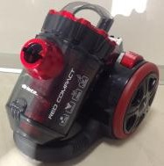 | 00P274391ARSA | DUBAÏ | 2743/9 ASPD ARIETE BKRD BAGLESS SA | 454 | 159.00 € | 72,186.00 € | 8003705118768 | https://www.rueducommerce.fr/p/m24070749369.html?utm_source=google&utm_medium=cpc&utm_campaign=pmax&utm_content=&gad_source=1&gad_campaignid=23114503158&gbraid=0AAAAADx42wdlu2iWtJ3qsO4hNcBgcwb1P&gclid=CjwKCAiAssfLBhBDEiwAcLpwfp2PRg8QX6yWCqMUneOHGt_nKc3gJ1V_9TrhW0cGZgE1Ijf9M75zKhoCuwQQAvD_BwE | PLUG UK | 50/60 | 1 | 54 | 4.82 | 4.82 | 37x26x29,5 | 37x26x29,5 | 1070 | 2140 | 2450
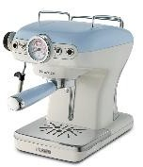 | 00M138915ARSA | DUBAÏ | 1389A CAF ARIETE POWDER/POD CREAM/BL SA | 636 | 147.80 € | 94,000.80 € | 8003705113947 | https://www.fnac.com/Machine-a-cafe-Expresso-Ariete-1389-900-W-Bleu/a12690097/w-4 | PLUG UK | 50/60 | 1 | 40 | 5.02 | 5.02 | 33x28x35,5 | 33x28x35,5 | 884 | 1820 | 2030
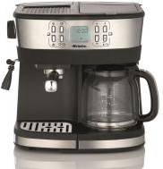 | 00M136900ARAS | DUBAÏ | 3023 GRI ARIETE BK SA | 606 | 92.44 € | 56,018.64 € | 8003705120501 | https://www.but.fr/produits/8003705120501/Moulin-a-cafe-Grinder-Cafe-2000w-Broyeur-Conique-3023.html | PLUG UK | 50-60 | 4 | 96 | 1.99 | 8.75 | 23x17x33 | 47,5x36x35,5 | 1860 | 3848 | 4460
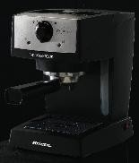 | 00M136650ARSA | DUBAÏ | 1366B CAF ARIETE POWDER/POD BK SA | 183 | 115.00 € | 21,045.00 € | 8003705110861 | https://www.carrefour.fr/p/ariete-machine-a-expresso-picasso-cialdissima-850-w-noir-8003705110861 | PLUG UK | 60 | 1 | 55 | 4.13 | 4.13 | 30,5x22,5x32 | 30,5x22,5x32 | 1284 | 2706 | 3066
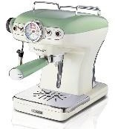 | 00M138914ARSA | DUBAÏ | 1389A CAF ARIETE POWDER/POD CREAM/GR SA | 309 | 144.00 € | 44,496.00 € | 8003705113930 | https://www.fnac.com/Machine-a-cafe-expresso-Ariete-Vintage-1389-900-W-Vert/a12690098/w-4 | PLUG UK | 50/60 | 1 | 40 | 5.02 | 5.02 | 33x28x35,5 | 33x28x35,5 | 884 | 1820 | 2030
 | 00M134205ARSA | DUBAÏ | 1342 CAF ARIETE DRIP DGT CREAM/BL SA | 277 | 92.50 € | 25,622.50 € | 8003705114159 | https://www.e.leclerc/fp/cafetiere-filtre-vintage-ariete-1342beige-8003705114135?et_keyword=&et_campaign=20402794963&et_device=c&et_matchtype=&utm_source=google&utm_medium=cpc&utm_campaign=FR/PMAX/SUE/High-Tech/Filet&gad_source=1&gad_campaignid=18158823779&gbraid=0AAAAADJL7wP7j4zCabqn_6dl5N6Ab3h_K&gclid=EAIaIQobChMI6OTxqLuakgMVD8h5BB2ktw_PEAYYBCABEgK2RvD_BwE | PLUG UK | 50/60 | 1 | 44 | 4.08 | 4.08 | 24,5x31,5x39,5 | 24,5x31,5x39,5 | 932 | 1930 | 2034
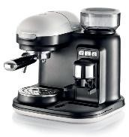 | 00M131801ARAS | DUBAÏ | 1318 CAF ARIETE POWDER BKWH SA | 2 | 248.00 € | 496.00 € | 8003705118737 | https://www.e.leclerc/fp/machine-a-expresso-manuelle-automatique-ariete-1318-0-8-l-blanc-8003705118737?srsltid=AfmBOoriVW6DweL68obtzn9Qk771yFQGWIhmEkfSgd0yB1Gtf67IX7Q7 | PLUG UK | 50 | 1 | 30 | 7.87 | 7.87 | 34,5x34,5x36,5 | 34,5x34,5x36,5 | 576 | 1188 | 1386
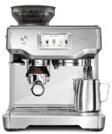 | 00M131210ARSA | DUBAÏ | 1312 CAF ARIETE POWDER/POD TFT METAL SA | 100 | 602.00 € | 60,200.00 € | 8003705120303 | https://www.carrefour.fr/p/ariete-1312-10-entierement-automatique-machine-a-expresso-2-l-8003705120303 | PLUG UK | 50-60 | 1 | 24 | 9.94 | 10.82 | 36x38x46 | 37x39x47 | 400 | 830 | 980
TOTAL ARIETE DE'LONGHI |  |  |  | 15,411 | 96.72 € | 1,490,475.57 €

